ART
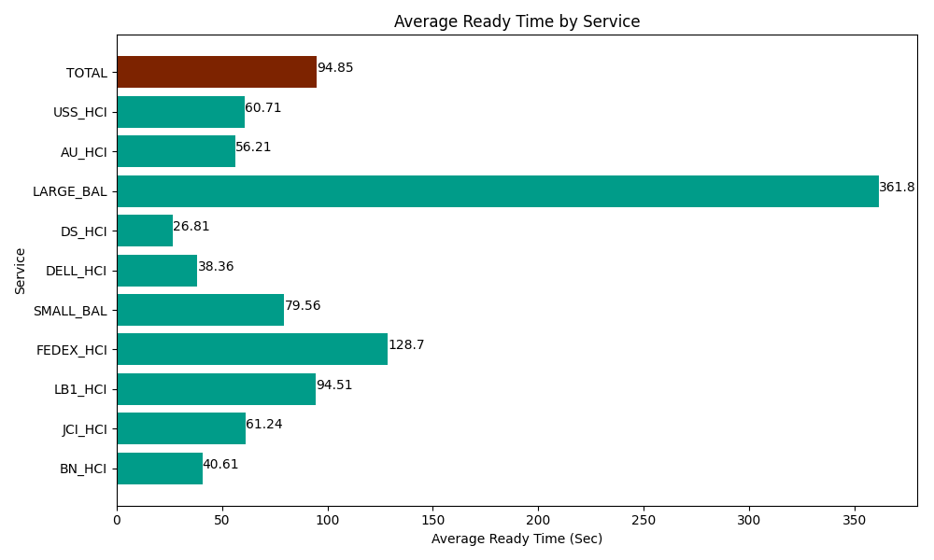
Date | Service | Successful Op Transfer | In Call (Sec) | Ready (Sec) | Wrapup (Sec) | Not Ready (Sec) | Average Ready Time (Sec)
06-06-2024 | BN_HCI | 1065 | 52194.001465 | 43252.199707 | 78619.196777 | 40531.201172 | 40.61
06-06-2024 | JCI_HCI | 274 | 27698.999634 | 16780.200806 | 32188.798828 | 5051.9998169 | 61.24
06-06-2024 | LB1_HCI | 106 | 13426.200256 | 10018.200073 | 8541.0003662 | 14188.200073 | 94.51
06-06-2024 | FEDEX_HCI | 10 | 1592.9999542 | 1287.0000458 | 846.00002289 | 1711.2000275 | 128.7
06-06-2024 | SMALL_BAL | 121 | 6802.7998352 | 9626.9998169 | 14251.799927 | 21847.800293 | 79.56
06-06-2024 | DELL_HCI | 223 | 24001.199341 | 8554.2004395 | 79704.001465 | 46209.001465 | 38.36
06-06-2024 | DS_HCI | 411 | 23485.200806 | 11017.800293 | 34757.999268 | 49667.999268 | 26.81
06-06-2024 | LARGE_BAL | 1 | 106.79999828 | 361.80001259 | 58.800001144 | 100.19999743 | 361.8
06-06-2024 | AU_HCI | 137 | 8760 | 7701.0003662 | 13897.199707 | 10471.200256 | 56.21
06-06-2024 | USS_HCI | 244 | 36646.201172 | 14812.800293 | 42255 | 31606.201172 | 60.71
 | TOTAL | 2592 | 194714.40246 | 123412.20185 | 305119.79636 | 221385.00354 | 94.85

